Notice
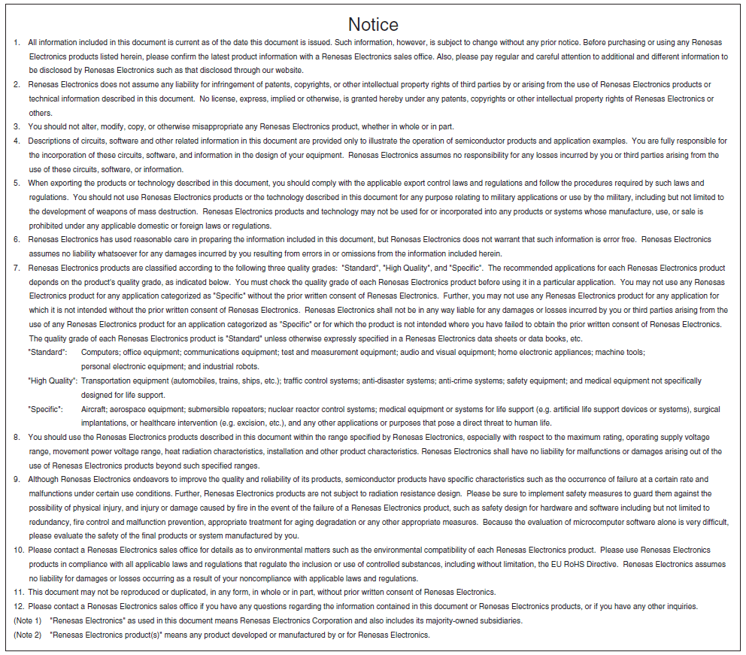

Next

Calculation_Entry
Excel Calculator for R2A20134EVB-TINW |  |  |  |  |  |  |  |  |  |  |  |  |  |  |  |  | R2A20134SP Design Parameter
 |  |  |  |  |  |  |  |  | Over voltage protection setting |  |  |  |  | Selected Value
 | This is a technical reference for your PFC design by R2A20134SP as Start-up. |  |  |  |  |  |  |  | OVP resistor1 | Rovp1 | 100 | kohm |  | Vovp | 58.1 | V
: Please adjust it in evaluation.
 | Please refer to our Application note of R2A20134SP about each portion in detail. |  |  |  |  |  |  |  | OVP resistor2 | Rovp2 | 2.2 | kohm |  |  |  |  |  | Flybuck/Low-Side Switch

: Input Cell
T1
D1
 | Basic Parameter for Power supply |  |  |  |  |  |  |  | ZCD setting |  |  |  |  |  |  |  |  |  | Vin: |  | 80 | ～ | 264[V]
 | Minimum Input AC Voltage | VACLow | 80 | V |  |  |  |  | ZCD resistor1 | Rzcd1 | 56 | ohm |  |  |  |  |  |  | fac: |  | 50[Hz] |  |  |  |  |  | Lp： |  |  |  |  | Cout： |  |  | Pout： | 18.0[W]
 | Maximum Input AC Voltage | VACHigh | 264 | V |  |  |  |  | ZCD Voltage (=Ics*Rzcd1) | Vzcd | 4.8 | mV |  | Selected Value |  |  |  |  |  |  |  |  |  |  |  |  | 600[uH] |  |  |  |  | 990[uF] |  |  | Vout： | 55[V]
 | Minimum AC Frequency | fAC | 50 | Hz |  |  |  |  | ZCD resistor2 | Rzcd2 | 5.2 | kohm | → | Rzcd2 | 5.6 | kohm
+
 | Output Power | Pout | 18 | W
 | Output Voltage | Vout | 55 | V |  |  |  |  | Start up Circuit |  |  |  |  |  |  |  |  |  | Lin: |  |  |  |  |  |  |  | Np： |  |  | Ns： |  |  | Rcs2：
 | Efficiency | η | 85 | % |  |  |  |  | Base Saturation Voltage | VBE (sat) | 1.5 | V |  | Selected Value |  |  |  |  | 1000[uH] |  |  |  |  |  |  |  | 80[T] |  |  | 48[T] |  |  | 1.00[Ω]
 | Output Voltage ripple | γ < | 20 | % |  |  |  |  | Zener diode | VZD1 > | 14.2 | V | → | ZD1 | 15.0 | V
 | Switching frequency | ｆsw(min) | 50 | kHz |  |  |  |  | Vcc capacitor | Cvcc > | 9.2 | uF | → | Cvcc | 22 | uF |  |  |  |  |  |  |  | Rv
Q2
 |  |  |  |  |  |  |  |  |  |  |  |  |  |  |  |  |  |  |  |  |  |  |  | 1500[kΩ] |  |  |  |  |  | Nb：
To CS2
 |  |  |  |  |  | V0min | 113.13708499 |  | Output Capacitor |  |  |  |  |  |  |  |  |  | Cin |  |  |  |  |  |  |  |  |  |  | 17[T]
Q1
 |  |  |  |  |  |  |  |  | Minimum Output Voltage | Voutmin | 30 | V |  |  |  |  |  |  | 0.10[uF]
From
OUT
 | Setting switching Frequency |  |  |  |  | Selected Value |  |  | Hold up Time | thold | 10 | ms
 | Resistor value connected with RT | Rrt | 189 | kohm | → | Rrt | 200 | kΩ | Electrolytic Capacitor for output | Cout > | 169.4 | uF |  | Calculation result |  |  |  |  |  |  |  |  |  |  |  |  |  |  | Rzcd1
 |  |  |  |  |  | fsw | 47.2 | kHz | Output Voltage ripple | γ < | 20 | % |  | Cout | 990 | uF |  |  |  |  |  |  |  |  |  |  |  |  | 56[Ω]
 | Trans |  |  |  |  |  |  |  | Electrolytic Capacitor for output | Cout > | 94.7 | uF |  |  |  |  |  |  |  |  |  |  |  | ZD1
 | Maximam ON Duty | Don | 0.45 |  |  |  |  |  |  |  |  |  |  |  |  |  |  |  |  |  |  |  |  | 15.0[V]
To CS1
 | Trans Primary Peak Current | I1(peak) | 1.66 | A |  |  |  |  | Input LC Filter |  |  |  |  |  |  |  |  |  |  |  |  |  |  |  |  | Rcs1： |  |  |  |  | Rzcd2
 | Trans Secondary Peak Current | I2(peak) | 2.32 | A |  | Selected Value |  |  | Input Capacitance | Cin | 1 | uF |  | Calculation result |  |  |  |  |  |  |  |  |  |  |  | 0.20[Ω] |  |  |  |  | 5.6[kΩ] |  | R:
 | Primary Inductance | Lp < | 612.0 | uH | → | Lp | 600 | uH | Input Inductance | Lin > | 1138.4 | uH | → | Lin | 1000 | uH |  |  |  |  |  |  |  |  |  |  |  |  |  |  |  |  | 3.9[kΩ]
 | Magnetic flux density | ΔB | 2400 | G
 | Effective cross section of Core | Ae | 0.55 | mm2
 | Primary Winding Number of Turns | Np | 77.1 | T | → | Np | 80 | T
 | Secondary. Inductance | Ls | 265.9 | uH | → | Ls | 220 | uH
 | Secondary Winding Number of Turns | Ns | 48.4 | T | → | Ns | 48 | T |  |  |  |  |  |  |  |  |  |  |  | Rcomp1： |  |  |  |  | Rcomp2： |  |  |  |  |  |  |  |  | R:
 | Bias Voltage | Vb | 20 | V |  |  |  |  |  |  |  |  |  |  |  |  |  |  |  | 150[kΩ] |  |  |  |  | 24[kΩ] |  |  |  |  |  |  |  |  | 2.0[kΩ]
 | Bias Winding Number of Turns | Nb | 17.0 | T | → | Nb | 17 | T

FB
VCC
 | MOSFET
 | Trun-off surge voltage | Vk | 200 | V |  | Selected Value |  |  |  |  |  |  |  |  |  |  |  |  |  |  |  |  |  |  |  |  |  |  |  |  |  |  |  |  | Rovp1：
 | Drain-Source Voltage | Vds > | 666.7 | V | → | Vds | 900 | V |  |  |  |  |  |  |  |  |  |  |  |  |  |  |  |  |  |  |  | Cvcc： |  |  |  |  |  |  | 100[kΩ]
IC2
-
+
 | Drain Current | Id > | 1.70 | A |  | Id | 18.5 | A |  |  |  |  |  |  |  |  |  |  |  |  |  |  |  |  |  |  |  | 22.00[uF]
COMP
R2A20134SP
To Q1
OUT
 | Primary Current Sensing Resistor |  |  |  |  |  |  |  |  |  |  |  |  |  |  |  |  |  |  |  |  |  |  |  |  |  |  |  |  |  |  |  |  |  | Rovp2：
 | MOSFET OCP Current | Id(ocp) | 3.0 | A |  | Selected Value |  |  |  |  |  |  |  |  |  |  |  |  |  |  | CCEO： |  |  |  |  |  |  |  |  |  |  |  |  |  | 2.2[kΩ]
 | Current Sensing Resistor value | Rcs1 | 0.200 | Ω | → | Rcs1 | 0.2 | Ω |  |  |  |  |  |  |  |  |  |  |  |  | 4.7[uF]
-
+
 | Power loss at above detection | Psense | 0.26 | W |  | Id(ocp) | 3.00 | A |  |  |  |  |  |  |  |  |  |  |  |  |  |  |  |  |  |  |  |  |  |  |  |  |  |  | Rcc1：
RT
GND
 |  |  |  |  |  | Psense | 2.0 | W |  |  |  |  |  |  |  |  |  |  |  |  |  |  |  |  |  |  |  |  |  |  |  |  |  |  | 56.0[kΩ]
 |  |  |  |  |  |  |  |  |  |  |  |  |  |  |  |  |  |  |  |  | RRT：
 | Secondary Diode |  |  |  |  | Selected Value |  |  |  |  |  |  |  |  |  |  |  |  |  |  | 200[kΩ] |  |  |  |  |  |  |  |  |  |  |  |  |  | Rcc2：
From
CS1
 | Reverse Voltage for Diode | VAK > | 280.0 | V |  | VAK | 600 | V |  |  |  |  |  |  |  |  |  |  |  |  |  |  |  |  |  |  |  |  |  |  |  |  |  |  | 20.0[kΩ]
VREF
CS
From
CS2
 | Peak Current for Diode | Ipk > | 1.190 | A |  | ID | 1.2 | A

 | Secondary Current Sensing Resistor |  |  |  |  |  |  |  |  |  |  |  |  |  |  |  |  |  |  |  | CREF： |  |  |  |  |  |  |  | Ccsf：
 | Vref of the IC2 | Vref | 1.25 | V |  |  |  |  |  |  |  |  |  |  |  |  |  |  |  |  | 0.1[uF] |  |  |  |  |  |  |  | 3300[pF]
 | Current Contorl resistor1 | Rcc1 | 56 | kohm
 | Current Contorl resistor2 | Rcc2 | 20 | kohm |  | Selected Value
 | Current Sensing Resistor value | Rcs2 | 1.005 | Ω | → | Rcs2 | 1.0 | Ω | Fig1. Input Current ＆ Trans Current Waveform

