Sheet1
RAA223012 Component Selection Tool

Instructions:
Enter values in the yellow highlighted cells
Do not change the parameters in red
Calculation results for specs & components are in green cells

System Parameters
Item | Value | Units | Description
Nominal input voltage AC RMS | 230 | Volt
AC frequency at norminal input voltage | 50 | Hz
Minimum input voltage | 85 | Volt
AC frequency at the minimum input volatge | 60 | Hz
Input voltage after rectification | 325 | Volt | Peak value derived from RMS for AC. Set it equal to AC input cell (above) for DC input
Output voltage | 12 | Volt | Output Voltage
Max output current | 0.2 | Amp | Affects inductor value
Max peak current | 0.280 | Amp | Affects inductor value; 011: 0.45; 012: 0.25
Maximum load step | 0.05 | Amp | Assume di/dt is instant

IC Internal Parameters (do not update unless advised otherwise)
VFB | 2.5 | V | Internal to IC
Toffmin (constant off time) | 24 | ms | IC parameter, to make 30KHz operation in heavy load; 011: 30; 012: 19
standby mode efficiency | 0.5 | 50 | Estimated effiency, this is estimated number
VCC Quiescent current | 70 | mA | IC parameter, on EC table
Minimum Pk inductor current | 85.1 | mA | This number is an estimate, could vary from part to part due to various propagation delay
VCC current during switching | 130 | mA | IC internal parameter

Calculations

No-load output voltage rise allowed | 0.35 | Volt | This along with "standby power" determines the no-load regulation point
Standby Power Requirement | 20 | mWatt | This and "Ripple on CFB1" affect the zero load regulation point.
D2 and D3 mismatch factor at full load | 0.2 | Volt | This affects the full load regulation point. Use 0.4V for recommended diodes at 300mA
Choose RFB2 | 10 | kW | Select this value. 100kOhms is a reasonable value.
C1 (minimum value) | 6.49 | uF | the minimum total input buffer capacitance if a half-wave rectification is used
 | 2.84 | uF | the minimum total input buffer capacitance if a full-wave bridge rectification is used
RFB1 | 38.8 | KW | Calculated component value
L1 (minimum value) | 1.81 | mH | Calculated component value
L1 selected value | 1.8 | mH | selected inductor
Dummy resistor R0 (minimum) | 23.38 | KW | Calculated component value
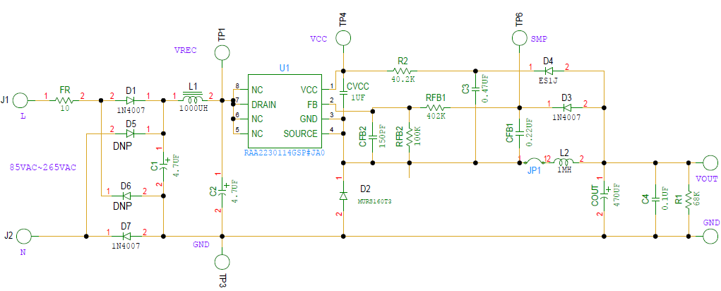
Switching period at no load | 0.675 | ms | 0.651
CFB1 (minimum) | 0.474 | mF | Calculated component value
CFB1 (selected) | 1 | µF | Selected value
COUT, Minimum Cout | 203.3 | mF | Calculated component value
 | 1546 | uF | maximum Cout
Vcc biasing resistor from output | 47.69 | Kohm | Calculated component value
Output voltage at no load | 12.35 | Volt

D1, D3: 1N4007 | 1N4007
D2: MURS160T3 | MURS160T3
D4: ES1J | ES1J
CVCC | 1 | mF

Formulas used in the calcuations

1. Sampling circuit resistor divider
$R_{FB1}=(\frac{V_{OUT}+0.4}{V_{FB}}−1)×R_{FB2}$
$V_{FB}=2.5V$

$R_{O}={V_{OUT}}/{\left(\frac{P_{IN_{STBY}}η}{V_{OUT}}−I_{q}−\frac{VFB}{RFB2}\right)}$ where η = 0.5;

2. Buck Inductor value
$L≥\frac{V_{OUT}T_{OFFMIN}}{2(I_{PKMAX}−I_{OUTMAX})}$ If the inductor on board > the calculated value, you don’t have to change the inductor.

$T=\frac{LI_{PKMIN}^{2}}{2V_{OUT}(\frac{V_{OUT}}{R_{O}}+I_{q}+\frac{V_{FB}}{R_{FB2}})}$

$$CFB=\frac{VCFB∗T}{∆VFB∗(RFB1+RFB2)}$$

